customer satisfaction dashboard
CUSTOMER SATISFACTION IN EACH STATE

Which state has more positive feedback?
 | Total
Western Australia | 49
Tasmania | 41
NSW | 41
Queensland | 40
South Australia | 39
The Australian Capital Territory | 33
Northern Territory | 32
VIC | 1
Which store brings the most positive feedback for each state?
 | Market | Grocery | Home Delivery | Orchard | Fish Market
Western Australia | 17 | 15 | 13 | 3 | 1
Tasmania | 7 | 15 | 10 | 7 | 2
NSW | 14 | 13 | 9 | 4 | 1
Queensland | 14 | 13 | 8 | 3 | 2
South Australia | 16 | 12 | 6 | 5
The Australian Capital Territory | 16 | 9 | 6 |  | 2
Northern Territory | 6 | 11 | 10 | 2 | 3
VIC |  | 1
Which state has a high quantity of items sold but low satisfaction?
 | Sum of Item sold | Negative feedback
Queensland | 108717 | 68
Western Australia | 106892 | 58
South Australia | 105238 | 68
Tasmania | 100348 | 66
Northern Territory | 90270 | 58
NSW | 89633 | 67
The Australian Capital Territory | 69662 | 39

Which supplier brings the most positive feedback for each state?
 | Total
Basfoods Direct | 7
Basfoods Direct - Somerton Store | 1
Bera Foods Wholesalers | 1
Bruno Fine Foods | 3
Complete Food Services | 3
First Ray | 3
Grocery Industries Australia Pty Ltd | 3
Japan Foods Trading | 4
Kahvecioglu Grand Foods | 2
NSM Foods Direct to Public Outlet Store | 4
Quality Foods | 1
Basfoods Direct | 8
Basfoods Direct - Somerton Store | 2
Bera Foods Wholesalers | 4
Bruno Fine Foods | 2
Complete Food Services | 2
Glendal Foods | 2
Grocery Industries Australia Pty Ltd | 5
Japan Foods Trading | 6
Kahvecioglu Grand Foods | 1
Mediterranean Wholesalers | 1
NSM Foods Direct to Public Outlet Store | 4
Quality Foods | 1
Real Food Distributors | 1
Royal Foods Australia Pty. Ltd. | 2
Basfoods Direct | 4
Bera Foods Wholesalers | 7
Bruno Fine Foods | 1
Complete Food Services | 1
Grocery Industries Australia Pty Ltd | 5
Japan Foods Trading | 4
Kahvecioglu Grand Foods | 2
Mediterranean Wholesalers | 3
NSM Foods Direct to Public Outlet Store | 6
Quality Foods | 1
Real Food Distributors | 6
Basfoods Direct | 10
Bera Foods Wholesalers | 3
Bruno Fine Foods | 1
Complete Food Services | 4
First Ray | 1
Grocery Industries Australia Pty Ltd | 4
Japan Foods Trading | 7
Kahvecioglu Grand Foods | 2
Marchetti Fine Foods | 1
Mediterranean Wholesalers | 4
Quality Foods | 1
Royal Foods Australia Pty. Ltd. | 1
Basfoods Direct | 2
Basfoods Direct - Somerton Store | 3
...

Basfoods Direct brings the most positive feedback for 3 states - NSW, South Australia, and Northern Territory.

3 main suppliers
What are Cozyorganic's 3 main suppliers?

Row Labels | Sum of quantity | Insights
Japan Foods Trading | 146025 | Despite being Cozyorganic's largest supplier, Japan Foods Trading doesn't win the highest customer satisfaction in any of the states.
Basfoods Direct | 134882 | Basfoods Direct brings the most positive feedback for 3 states - NSW, South Australia, and Northern Territory.
Grocery Industries Australia Pty Ltd | 128966 | Grocery Industries Australia Pty Ltd is the supplier with the highest customer satisfaction in Tasmania.
Complete Food Services | 126663
NSM Foods Direct to Public Outlet Store | 94938 | Recommendation
Kahvecioglu Grand Foods | 94490 | Cozyorganic should import more products from Basfoods Direct and Grocery Industries Australia Pty Ltd instead of Japan Foods Trading.
Bera Foods Wholesalers | 87707
Royal Foods Australia Pty. Ltd. | 48924
Real Food Distributors | 40834
Basfoods Direct - Somerton Store | 40013
Cozyorganic's 3 main suppliers
Bruno Fine Foods | 40005
First Ray | 38381
Quality Foods | 34850
Glendal Foods | 33995
Mediterranean Wholesalers | 33204
Marchetti Fine Foods | 1671
Delta Sales | 263
Grand Total | 1125805

positive feedback - state
product feedback | (Multiple Items)
 |  | Which state has more positive feedback?
States | Positive feedback
Western Australia | 49
Tasmania | 41
NSW | 41
Queensland | 40
Which state has more positive feedback?
South Australia | 39
The Australian Capital Territory | 33
Northern Territory | 32
VIC | 1
Grand Total | 276

positive feedback - store
product feedback | (Multiple Items)

Count of Store | Column Labels |  |  |  |  |  | Which store wins the most positive feedback for each state?
Row Labels | Market | Grocery | Home Delivery | Orchard | Fish Market | Grand Total
Western Australia | 17 | 15 | 13 | 3 | 1 | 49
Tasmania | 7 | 15 | 10 | 7 | 2 | 41
NSW | 14 | 13 | 9 | 4 | 1 | 41
Queensland | 14 | 13 | 8 | 3 | 2 | 40
Which store wins the most positive feedback for each state?
 | Market | Grocery | Home Delivery | Orchard | Fish Market
Western Australia | 17 | 15 | 13 | 3 | 1
Tasmania | 7 | 15 | 10 | 7 | 2
NSW | 14 | 13 | 9 | 4 | 1
Queensland | 14 | 13 | 8 | 3 | 2
South Australia | 16 | 12 | 6 | 5
The Australian Capital Territory | 16 | 9 | 6 |  | 2
Northern Territory | 6 | 11 | 10 | 2 | 3
VIC |  | 1
South Australia | 16 | 12 | 6 | 5 |  | 39
The Australian Capital Territory | 16 | 9 | 6 |  | 2 | 33
Northern Territory | 6 | 11 | 10 | 2 | 3 | 32
VIC |  | 1 |  |  |  | 1
Grand Total | 90 | 89 | 62 | 24 | 11 | 276

positivie feedback - supplier
product feedback | (Multiple Items)

Row Labels | Count of product feedback | Which supplier brings the most positive feedback for each state?
Northern Territory | 32
Basfoods Direct | 7 | Basfoods Direct brings the most positive feedback for 3 states - NSW, South Australia, and Northern Territory.
Basfoods Direct - Somerton Store | 1
Bera Foods Wholesalers | 1
Which supplier brings the most positive feedback for each state?
Bruno Fine Foods | 3
Complete Food Services | 3
First Ray | 3
Grocery Industries Australia Pty Ltd | 3
Japan Foods Trading | 4
Kahvecioglu Grand Foods | 2
NSM Foods Direct to Public Outlet Store | 4
Quality Foods | 1
NSW | 41
Basfoods Direct | 8
Basfoods Direct - Somerton Store | 2
Bera Foods Wholesalers | 4
Bruno Fine Foods | 2
Complete Food Services | 2
Glendal Foods | 2
Grocery Industries Australia Pty Ltd | 5
Japan Foods Trading | 6
Kahvecioglu Grand Foods | 1
Mediterranean Wholesalers | 1
NSM Foods Direct to Public Outlet Store | 4
Quality Foods | 1
Real Food Distributors | 1
Royal Foods Australia Pty. Ltd. | 2
Queensland | 40
Basfoods Direct | 4
Bera Foods Wholesalers | 7
Bruno Fine Foods | 1
Complete Food Services | 1
Grocery Industries Australia Pty Ltd | 5
Japan Foods Trading | 4
Kahvecioglu Grand Foods | 2
Mediterranean Wholesalers | 3
NSM Foods Direct to Public Outlet Store | 6
Quality Foods | 1
Real Food Distributors | 6
South Australia | 39
Basfoods Direct | 10
Bera Foods Wholesalers | 3
Bruno Fine Foods | 1
Complete Food Services | 4
First Ray | 1
Grocery Industries Australia Pty Ltd | 4
Japan Foods Trading | 7
Kahvecioglu Grand Foods | 2
Marchetti Fine Foods | 1
Mediterranean Wholesalers | 4
Quality Foods | 1
Royal Foods Australia Pty. Ltd. | 1
Tasmania | 41
Basfoods Direct | 2
Basfoods Direct - Somerton Store | 3
Bera Foods Wholesalers | 2
Complete Food Services | 9
First Ray | 1
Grocery Industries Australia Pty Ltd | 11
Japan Foods Trading | 1
Kahvecioglu Grand Foods | 2
NSM Foods Direct to Public Outlet Store | 4
Quality Foods | 4
Real Food Distributors | 1
Royal Foods Australia Pty. Ltd. | 1
The Australian Capital Territory | 33
Basfoods Direct | 4
Basfoods Direct - Somerton Store | 2
Bera Foods Wholesalers | 3
Bruno Fine Foods | 1
Complete Food Services | 4
First Ray | 1
Glendal Foods | 1
Grocery Industries Australia Pty Ltd | 2
Japan Foods Trading | 3
Kahvecioglu Grand Foods | 4
NSM Foods Direct to Public Outlet Store | 5
Real Food Distributors | 1
Royal Foods Australia Pty. Ltd. | 2
VIC | 1
Grocery Industries Australia Pty Ltd | 1
Western Australia | 49
Basfoods Direct | 4
Basfoods Direct - Somerton Store | 3
Bera Foods Wholesalers | 3
Bruno Fine Foods | 1
Complete Food Services | 9
First Ray | 4
Glendal Foods | 1
Grocery Industries Australia Pty Ltd | 5
Japan Foods Trading | 4
Kahvecioglu Grand Foods | 4
Mediterranean Wholesalers | 2
NSM Foods Direct to Public Outlet Store | 2
Real Food Distributors | 4
Royal Foods Australia Pty. Ltd. | 3
Grand Total | 276

high quantity low satisfaction
product feedback | (Multiple Items)
 |  |  | Which state has a high quantity of items sold but low satisfaction?
Row Labels | Sum of Item sold | Negative feedback
Queensland | 108717 | 68
Western Australia | 106892 | 58
South Australia | 105238 | 68
Tasmania | 100348 | 66
Northern Territory | 90270 | 58
NSW | 89633 | 67
The Australian Capital Territory | 69662 | 39
Grand Total | 670758 | 424

Which state has a high quantity of items sold but low satisfaction?

sales MoM
Year | 2021
Month Number | (Multiple Items)

Row Labels | Sum of total sales
January | $459,114
February | $448,890
March | $350,223
June | $730,470
July | $473,790
August | $458,554
September | $838,125
October | $1,511,530
2021 Total Sales by Month
December | $1,257,753
Grand Total | $6,528,448

product preference by state
Sum of Item sold | Column Labels
Row Labels | Bananas | Tomatoes | Oranges | Eggs | Squash | Apples | Cucumber | Lettuce | Yogurt | Cheese | Cottage cheese | Sour cream | Milk | Wild Salmon | Mushrooms | Celery | Beef | Grand Total
Western Australia | 26,754 | 19,874 | 18,549 | 17,828 | 15,192 | 14,361 | 12,239 | 10,901 | 9,450 | 8,919 | 7,820 | 7,476 | 6,554 | 6,371 | 4,918 | 3,721 | 269 | 191,194
Grand Total | 26,754 | 19,874 | 18,549 | 17,828 | 15,192 | 14,361 | 12,239 | 10,901 | 9,450 | 8,919 | 7,820 | 7,476 | 6,554 | 6,371 | 4,918 | 3,721 | 269 | 191,194

product preference dashboard
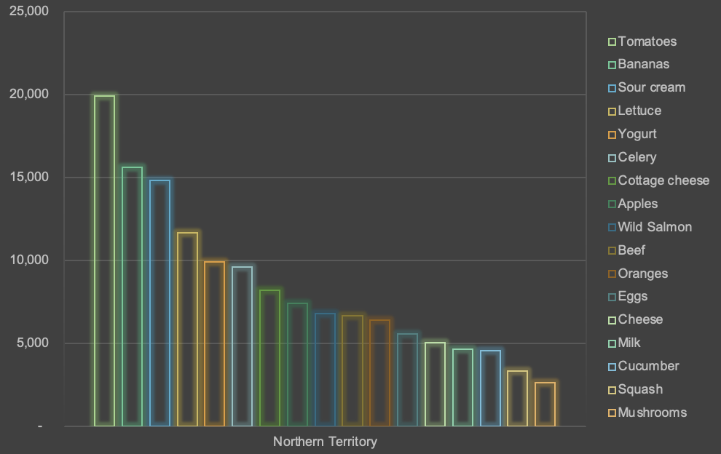
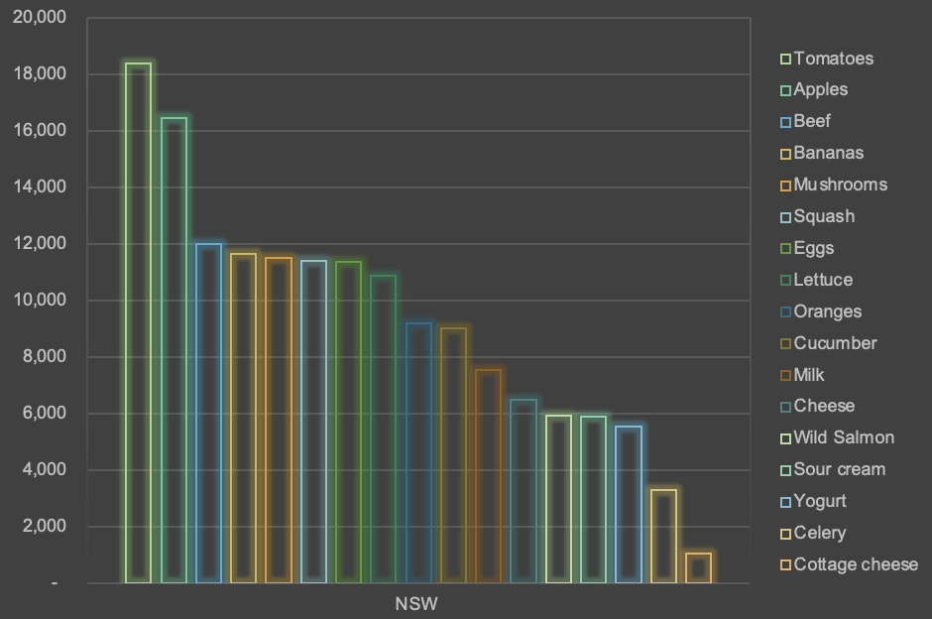
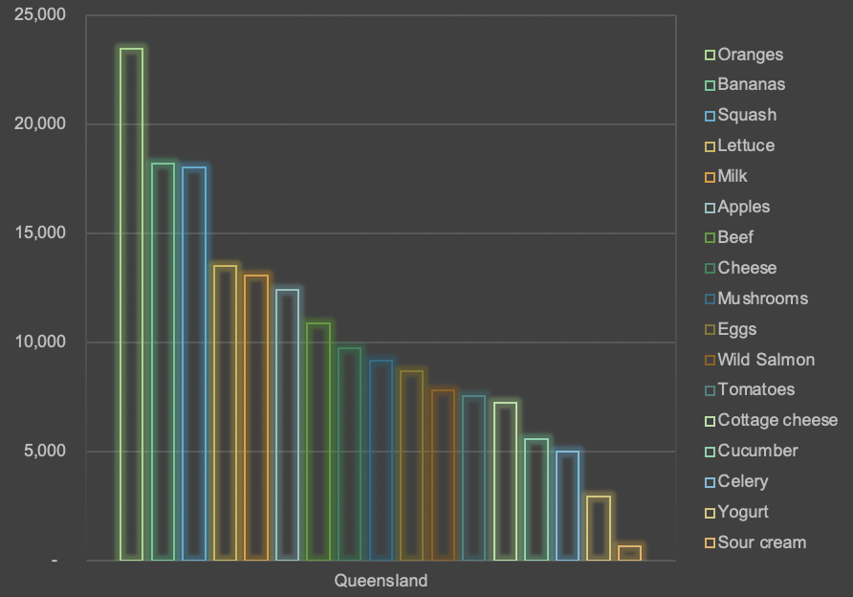
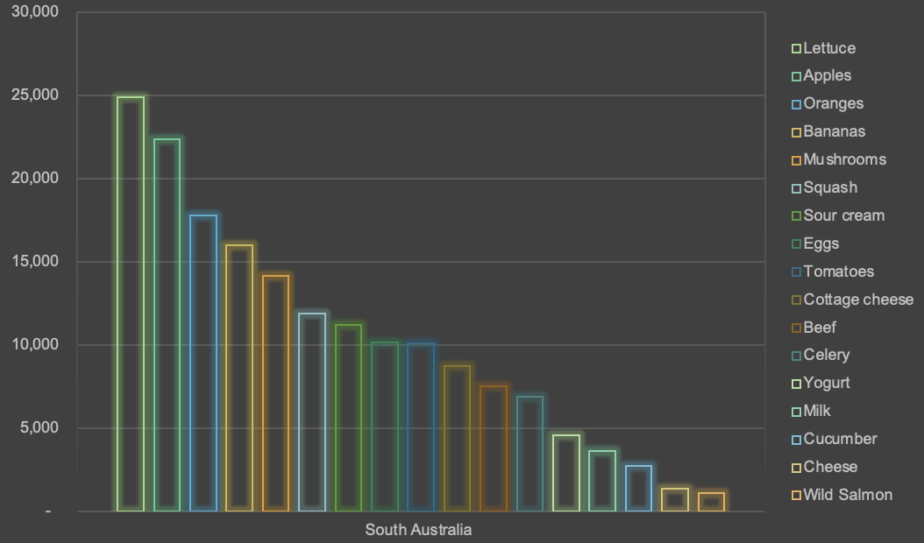

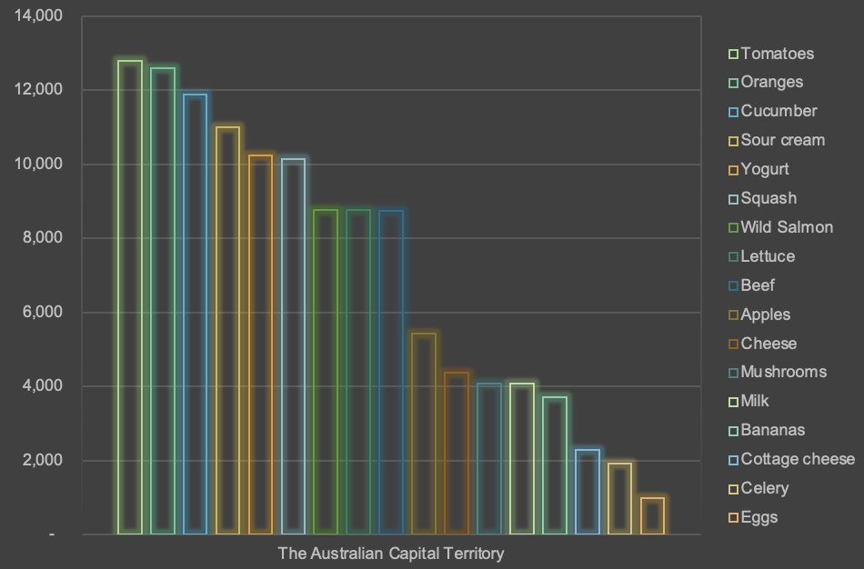
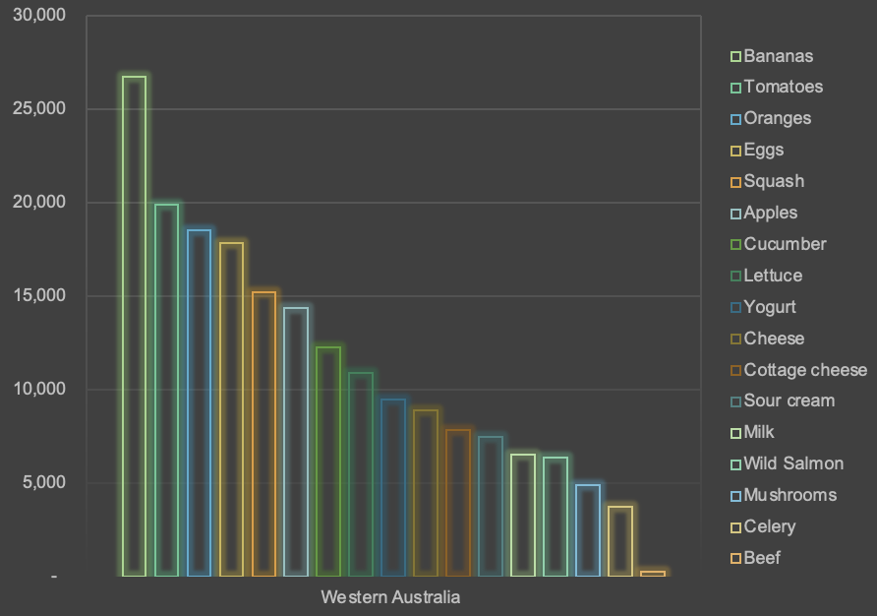
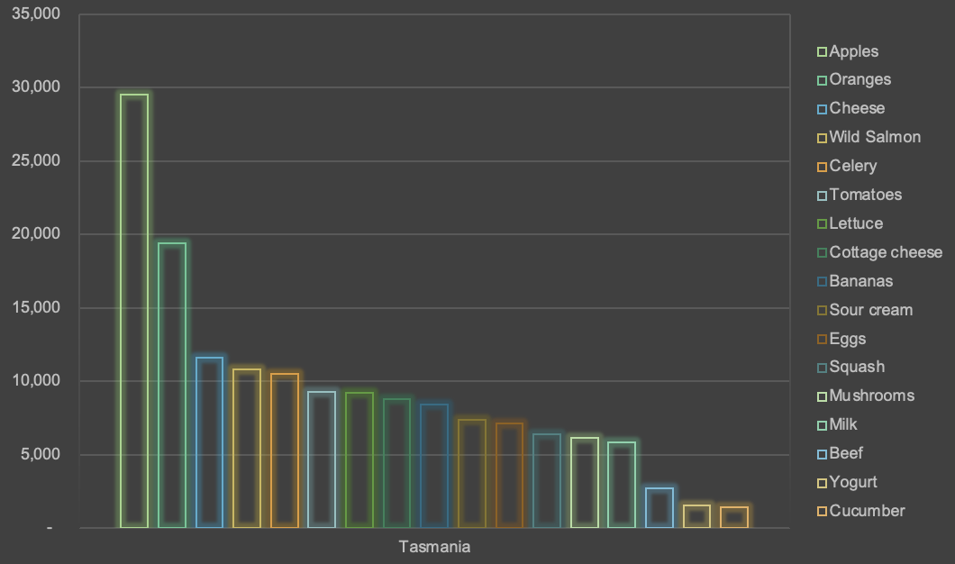
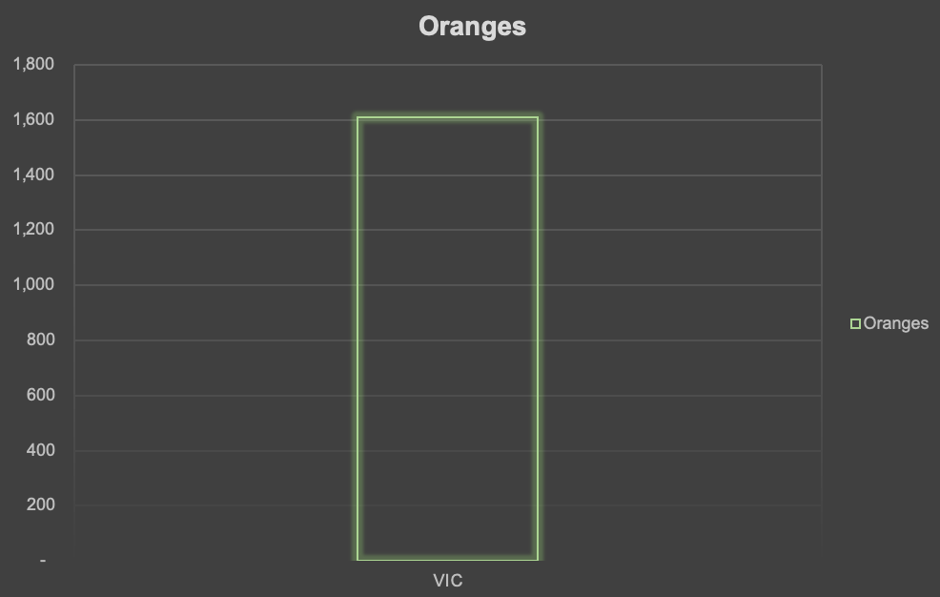

praise-to-criticism ratio
Row Labels | Count of product feedback
agree | 19.43%
disagree | 20.29%
Extremely Poor | 10.29%
strongly agree | 20.00%
strongly diagree | 30.00%
Grand Total | 100.00%

Product feedback

